Test preparation
Test Equipments
1 | The test cellphone can be connected with the demo which to be tested.
2 | An APP that can record the measured output value of the demo to be tested is installed on the test cellphone.
3 | HR: Polar chest strap (H10/H7).
4 | SPO2: The oximeter of the top manufacturer (Masimo/Philips/Heal Force/Yuwell) is used as the secondary standard to output the reference results. It is recommended to use a medical grade monitor(such as Masimo) under permitting conditions.
5 | HRV：GOOD FRIEND_Single-lead Dynamic electrocardiogram instrument.
People Selection
1 | 10 people (or more than 10 people) were randomly selected to participate in each test scenario.
2 | The ratio of male to female is close to 1:1.
3 | The sample covered at least 1 obese person(BMI≥28.0) and 1 underweight person(BMI≤18.5).
Wearing Requirements of the watch/band to be tested
Watch/band：
1 | Wearing position at least 1 finger width away from the wristbone (2 finger width is recommended, which can be about 2.5cm away from the wristbone)
2 | After wearing the watch/band, no visible displacement of the watch/band during the arm swinging action.
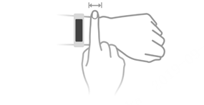

GOOD FRIEND_Single-lead Dynamic electrocardiogram instrument
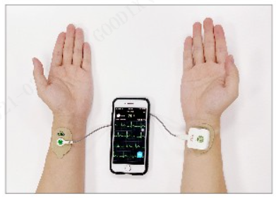

 |  | DL-191

